Sheet1
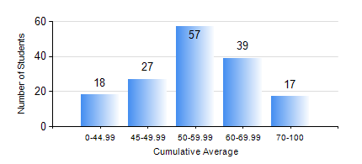
 |  |  | KWAME NKRUMAH UNIVERSITY OF SCIENCE AND TECHNOLOGY, KUMASI Department of Geological Engineering

 |  |  | BSC. GEOLOGICAL ENG.

 |  |  | COMPREHENSIVE RECORD OF EXAMINATION RESULTS

 |  |  | RESULTS OF YEAR 2 SECOND SEMESTER, 2024/2025 ACADEMIC YEAR

 | Sn | Course Code |  | Course Name | Credit Hours | Min. Mark | Max. Mark | Avg. Mark | Std. Dev. | No. Passed | No. Trailed | No. (Df) | No. (I) | No. (I*) | No. Tagged(I,I*,Df) | Total
 | 0. |  |  |  |  |  |  | 0 | 0 | 0 | 0 | 0 | 0 | 0 | 0 | 5
 | 1. | CE 256 |  | FLUID MECHANICS | 3 | 32 | 91 | 66 | 12.85 | 151 | 2 | 0 | 0 | 0 | 0 | 153
 | 2. | GE 282 |  | LARGE SCALE SURVEYING | 3 | 5 | 90 | 51 | 16.23 | 126 | 27 | 0 | 0 | 0 | 0 | 153
 | 3. | GED 252 |  | STRATIGRAPHY | 3 | 17 | 80 | 49 | 13.22 | 127 | 26 | 0 | 0 | 0 | 0 | 153
 | 4. | GED 254 |  | ROCK ENGINEERING | 2 | 9 | 89 | 49 | 17 | 122 | 31 | 0 | 0 | 0 | 0 | 153
 | 5. | GED 258 |  | OPTICAL MINERALOGY | 2 | 12 | 93 | 62 | 14.66 | 146 | 7 | 0 | 0 | 0 | 0 | 153
 | 6. | GED 262 |  | INTRODUCTION TO SOIL MECHANICS | 2 | 16 | 89 | 53 | 14.68 | 129 | 24 | 0 | 0 | 0 | 0 | 153
 | 7. | MATH 252 |  | ANALYSIS IV | 4 | 19 | 72 | 49 | 8.33 | 151 | 2 | 0 | 0 | 0 | 0 | 153

